Instructions
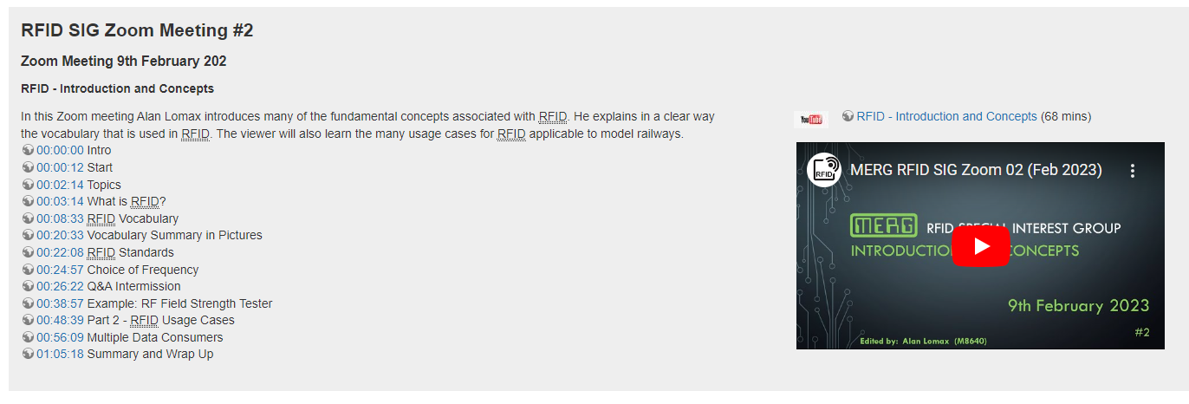
Rev: 0.3 | You MUST Enable Macros for for this Tool to work properly. This worksheet uses Macros to copy the template sheet and to process text strings.
 | What this worksheet does: After creating a Youtube Video for MERG it is desirable to modify the the WiKi (Knowledgebase) to include a reference to the YouTube Video. This worksheet automatically creates two code snippets - one for pasting into the YouTube description and one for pasting into the MERG WiKi / Knowledgebase. By utilizing an EDL file (exported from DaVinci Resolve for example) it will automatically generate appropriate chapter markings. Besides improving consistency it eliminates a lot of manual editing and streamlines the workflow.
Prior | In DaVinci Resolve - export (from the timeline) an EDL file. (This is likely possible with other Video tools but has not been tested.)
1 | Click the button on the right to copy the Template to a new sheet (You will be prompted for a new Sheet name) | ==>>
2 | On the new sheet click the button to browse for the EDL file and select it..
3 | Enter the other details in the yellow sections.
4 | The output text for the YouTube description box is automatically created (copy and paste to YouTube)
5 | For the MERG WiKi page copy and paste as plain text into the Knowledgebase.
6 | Note at this point the working sheet is full of formuale that will update if a new EDL is processed. Click the button "Save as Text" to preserve it as is.
7 | Save your work. (deleting the working sheet is optional.)

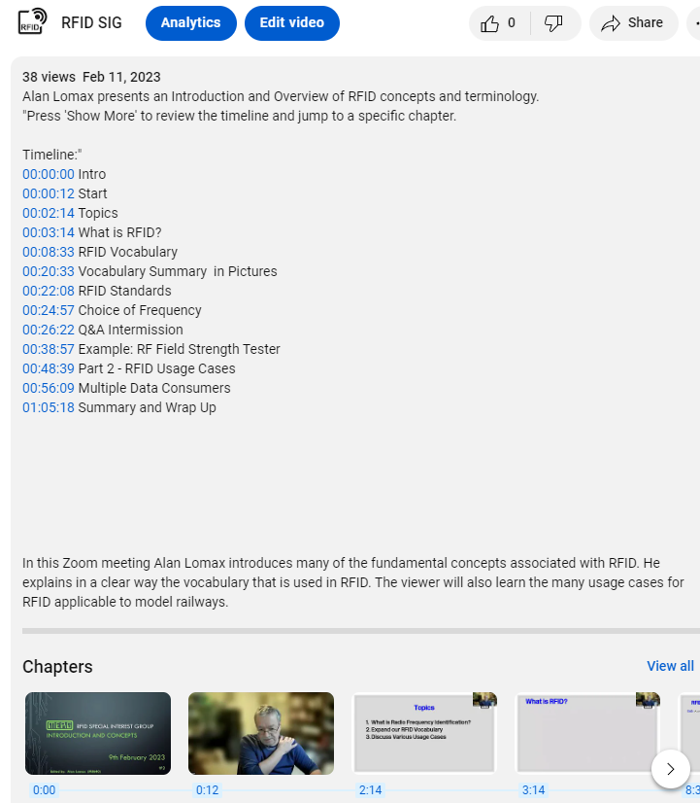
Notes: | A filled in example is included in this workbook (SIGSample) so you can compare your work to it.
 | When the text from this example is pasted tinto the YouTube Studio "Description Box" the output is this ==>>
 | When the text from the MERG output is pasted into the MERG WikiPAge (Knowledgebase) the output is as shown below:

